1. Title Page
Instacart Grocery Basket Analysis

Project Name: Instacart Grocery Basket Analysis
Date: October 30, 2022
Analyst Name: Jennifer Kelly

Contents:
Population Flow
Consistency checks
Wrangling steps
Column derivations
Visualizations
Recommendations

2. Population Flow
Title page

Population flow

Exclusion flag
Condition: max_order <
Obervations to be removed:
Final total count of order_products_all:

Orders_products_combined
Orders_products_merged
Orders_products_all

Total: 30,328,763
Total: 30,356,421
Total: 30,328,763

1.) The grey boxes in the first row of the population flow represent the original data sets as they were when you downloaded them. In the Total fields you need to add the count of the rows when you imported the data set into Jupyter.
2.) The second row of boxes (coloured) represents the data sets after you manipulated them, e.g., removed missing values and duplicates. In the Total fields you need to add the count of the rows after conducting these operations. This offers a visual oveview of how the data flows throughout the data consistency checks.
3.) The third row, where also the arrows are coloured, represents the merges you performed between the datasets. In the Total fields you need to add the count of the rows in the merged datasets, so that you end up with the final dataset (in the red box). Keep in mind the final dataset should be without exclusions (based on the exclusion flag).

3. Consistency checks
 |  |  |  | Title page
Consistency checks

Dataset | Missing values | Missing values treatment | Duplicates
orders | days_since_prior_order (206,209) | Filter out missing values by creating a new dataframe | No duplicates were found.
products | product_name (16) | Filter out missing values by creating a new dataframe | There were 5 duplicates that were deleted.
orders_products_prior | 0 |  | 0
customers | first_name - 11259 | were considered mixed type data and then changed them to string value they no longer had any missing values | 0

4. Wrangling steps
 |  |  |  | Title page
Wrangling steps

Columns dropped | Columns renamed | Columns' type changed | Comment/Reason
eval_set' |  |  | not needed
 | order_dow' |  | changed to order_day_of_week for better understanding
 |  | order_id' | numeric value to string
 |  | user_id' | numeric value to string

gender' |  |  | not needed
 | First Name' |  | changed to 'first_name'
 | Surnam' |  | changed to 'last_name' to be more consistent
 | Gender' |  | gender
 | STATE' |  | state'
 | "Age' |  | age'
 | fam_status' |  | marital_status'
 | n_dependents' |  | no_of_dependents'
 |  | first_name' | numeric value to string
exclusion_flag' |  |  | Instacart CFO didn't want low-activity customers included.

5. Column derivations
 |  |  |  | Title page

Column derivations and aggregations

Dataset | New column | Column/s it was derived from | Conditions
orders_products_merged | price_range | prices' | Find Mid-range product, Low-range product, High-range product
orders_products_merged | busiest_day | orders_day_of_the_week' | Find Busiest day, Least busy day, and Regularly busy day
orders_products_merged | busiest days | orders_day_of_the_week' | Find 2 busiest days, 2 slowest days, and regularly busy days
orders_products_merged | busiest_period_of_day | order_hour_of_day' | Find most orders, average orders, and fewest orders
ords_prods_merge | max_order | user_id' and 'order_number' | Max # of orders made by each User ID
ords_prods_merge | loyalty_flag | max_order' | Assigns a "loyalty" label to a User ID based on max order value
ords_prods_merge | spend_habits | user_id' and 'prices' | Spending habits of each User ID
ords_prods_merge | spending_flag | spend_habits' | Assigns a "spender" label to a User ID based on average price of all orders
ords_prods_merge | ordering_behavior | user_id' and 'days_since_prior_order' | Determine the frequency of customers
ords_prods_merge | order_frequency_flag | ordering_behavior' | Marks the regularity of a user's ordering behavior based on median of 'days_since_prior_order'
df_merged | region | state' | US states were divided into 4 regions: South, West, Midwest, Northeast. This was based on a link that stated the rules and division was done by creating lists
df_merged | low activity spender | min_order' | Exclude customers who have less than 5 orders
df_merged_2 | age_profile | age

6. Visualizations
 |  |  | Title page

Visualisations

In this tab you should include all the visualtions from Exercises 4.9 and 4.10, alongside the questions from the project brief that they answer. Include any commentary on the relationship between different variables.



Key Question 3 - Instacart has a lot of products with different price tags. Marketing and sales want to use simpler price range groupings to help direct their efforts.
The histogram displays the frequency of the price of items available to purchase. This graph shows which priced items are the best sellers.

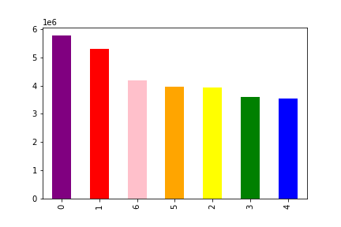
Key Question 1 - The sales team needs to know what the busiest days of the week and hours of the day are (i.e., the days and times with the most orders) in order to schedule ads at times when there are fewer orders.
The bar graph shows which days of the week have the most orders and are sorted from largest to smallest. The days of the week equal the following along the bottom of the graph:
0 = Saturday
1 = Sunday
2 = Monday
3 = Tuesday
4 = Wednesday
5 = Thursday
6 = Friday
Saturday and Sunday are the busiest days of the week and Tuesday and Wednesday are the slowest days of the week.

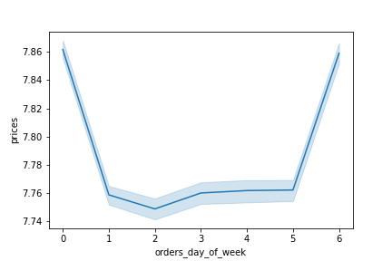

The line graph represents how prices differ depending on the day of the week using a representive sample of the entire dataframe. The peaks on Saturday (0) and Friday (6) mean the most money is spent on these two days. These are the two days people are stocking up on groceries. The marketing and sales departments might want to offer incentives for customers to shop on the other days of the week.

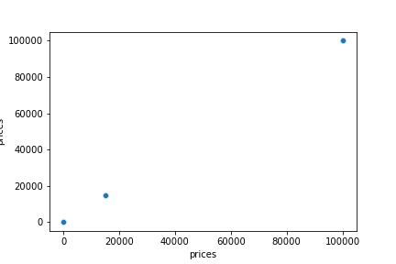

Using this scatterplot with the 'prices'column to visualize the distribution of data points in order to identify any outliers. I have plotted the'prices' column against itself. There are two data points that are far beyond the expected values, representing that there are indeed outliers in this data.

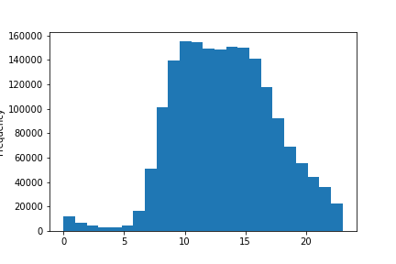

Key Question 1 - The sales team needs to know what the busiest days of the week and hours of the day are (i.e., the days and times with the most orders) in order to schedule ads at times when there are fewer orders.
This histogram shows the number of hours of the day (0-23 hour) and the total amount of orders placed for each hour (in millions).

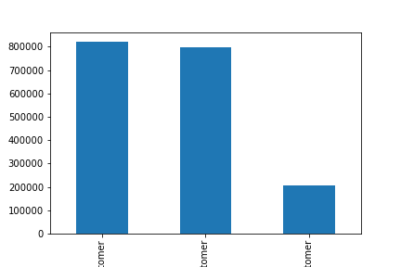

Key Question 5 - The marketing and sales teams are particularly interested in the different types of
customers in their system and how their ordering behaviors differ. For example:
● What’s the distribution among users in regards to their brand loyalty (i.e., how often do they return to Instacart)?
● Are there differences in ordering habits based on a customer’s loyalty status?
The bar graph displays the distribution of orders among customers in terms of loyalty.
The first column represents New Customers, the second column represents Regular Customers, and the third column represents Loyal Customers.

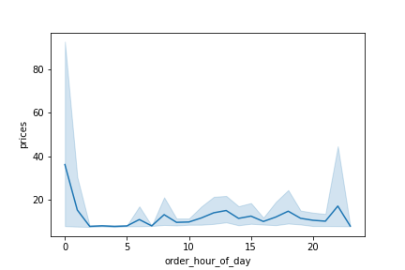

Key Question 2 - They also want to know whether there are particular times of the day when people spend
the most money, as this might inform the type of products they advertise at these times.
The line chart shows how much is being spent in each hour of the day (0-23 hours).

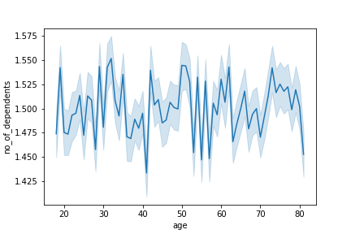

Key Question 6 - What different classifications does the demographic information suggest? Age?
Income? Certain types of goods? Family status?
The line chart shows the relationship between customer's age and the number of dependents in each family.

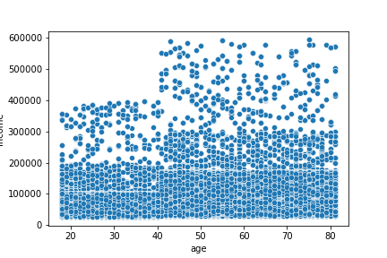

Key Question 5 - The marketing and sales teams are particularly interested in the different types of
customers in their system and how their ordering behaviors differ. For example:
● What’s the distribution among users in regards to their brand loyalty (i.e., how often do they return to Instacart)?
● Are there differences in ordering habits based on a customer’s loyalty status?
The scatterplot shows the relationship between between age and income of Instacart customers.

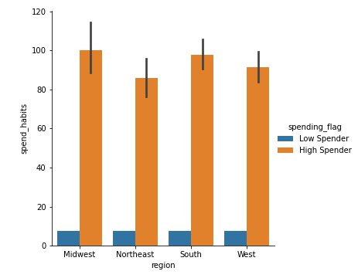

Key Question 7 - What differences can you find in ordering habits of different customer profiles? Consider the price of orders, the frequency of orders, the products customers are
ordering, and anything else you can think of.
There are high spenders in every region (midwest, northeast,
south, and west) in the US.

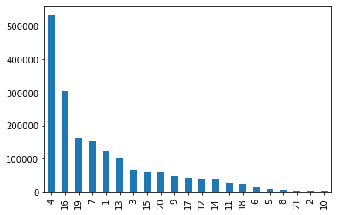
Key Question 4 - Are there certain types of products that are more popular than others? The marketing and sales teams want to know which departments have the highest frequency of product orders.
Top 3 departments: Bottom 3 departments:
1. Produce 1. Missing
2. Dairy Eggs 2. Other
Snacks 3. Dry Goods Pasta

What different classifications does the demographic information suggest? Age? Income? Certain types of goods? Family status?
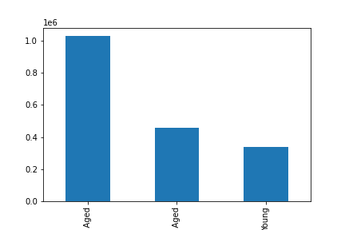
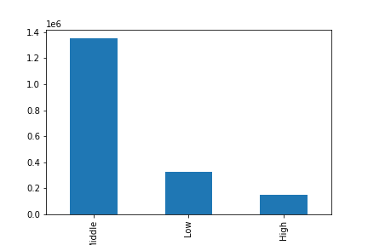

 | Most customers are Middle aged. Customers aged 30 and under are the least spenders. | Most customers have middle income.

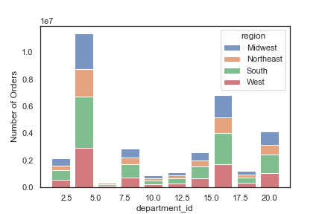
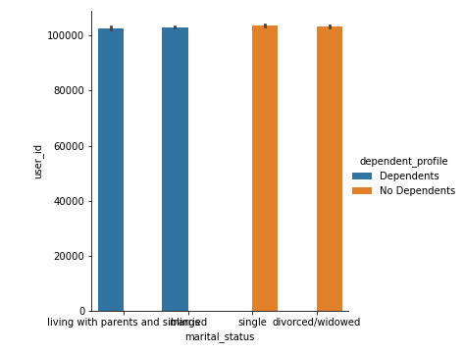

 | There are an equal number of people with dependents and without dependents. | This is a graph of department purchases across regions. Bakery items are popular in all regions.
 | Living with parents and/or married have the same number of dependents | International items are not very popular in any of the regions.
 | as Single/and or divorced/widowed have no dependents.

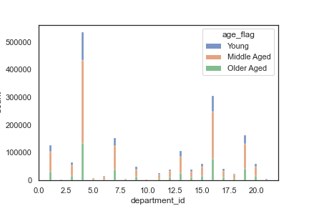

 | The orders per department differ according to different age groups. There are some interesting observation: International and Dry goods pasta is almost only purchased by Middle aged customers.
 | Older aged people mostly like items in Canned goods and Bakery.

7. Recommendations
 | Title page

Recommendations

Questions
Key Question 1 - The sales team needs to know what the busiest days of the week and hours of the day are (i.e., the days and times with the most orders) in order to schedule ads at times when there are fewer orders.
The sales team should schedule ads at times when there are fewer orders, which would be on Tuesday and Wednesday. The busiest days of the week are Saturday and Sunday. The slowest hours of the day are between midnight and 5 a.m. The busiest hours of the day are between 9 a.m. and 4 p.m.

Key Question 2 - They also want to know whether there are particular times of the day when people spend the most money, as this might inform the type of products they advertise at these times.
People are spending the most money on their orders from midnight to 2 a.m.

Key Question 3 - Instacart has a lot of products with different price tags. Marketing and sales want to use simpler price range groupings to help direct their efforts.
Customers are purchasing the most items in the price range of $1 to $15. They should target items to fall within this range in order to increase sales.

Departments:
1. Frozen 12. Meat Seafood
2. Other 13. Pantry
3. Bakery 14. Breakfast
4. Produce 15. Canned goods
5. Alcohol 16. Dairy Eggs
6. International 17. Household
7. Beverages 18. Babies
8. Pets 19. Snacks
9. Dry Goods Pasta 20. Deli
10. Bulk 21. Missing
11. Personal Care

Key Question 4 - Are there certain types of products that are more popular than others? The marketing and sales teams want to know which departments have the highest frequency of product orders.
The top 5 departments are: 1. Produce 2. Dairy Eggs 3. Snacks 4. Beverages 5. Frozen The marketing department should target the lesser selling departments by offering those goods on sale in order to increase sales.

Key Question 5 - The marketing and sales teams are particularly interested in the different types of customers in their system and how their ordering behaviors differ. For example: ● What’s the distribution among users in regards to their brand loyalty (i.e., how often do they return to Instacart)? ● Are there differences in ordering habits based on a customer’s loyalty status? ● Are there differences in ordering habits based on a customer’s region? ● Is there a connection between age and family status in terms of ordering habits?
The New customers (1st column) are spending the most money. Regular customers (2nd column) are spending just a little less than the New customers. Loyal customers are spending the least amount.
There are a large concentration of customers across all ages that earns up to 200,000. Customers aged 40 years and older are earning more (up to 600,000). Instacart customers 40 years and above might spend more base on their higher income earnings.

Key Question 6 - What different classifications does the demographic information suggest? Age? Income? Certain types of goods? Family status?
The ages range from 20 to 80 years old. Every age averages between having 1-2 children.

Key Question 7 - What differences can you find in ordering habits of different customer profiles? Consider the price of orders, the frequency of orders, the products customers are ordering, and anything else you can think of.
The company could offer an incentive program for the low spenders. Maybe offer coupons or a rewards program to entice the low spenders to spend more money.

